Cadences
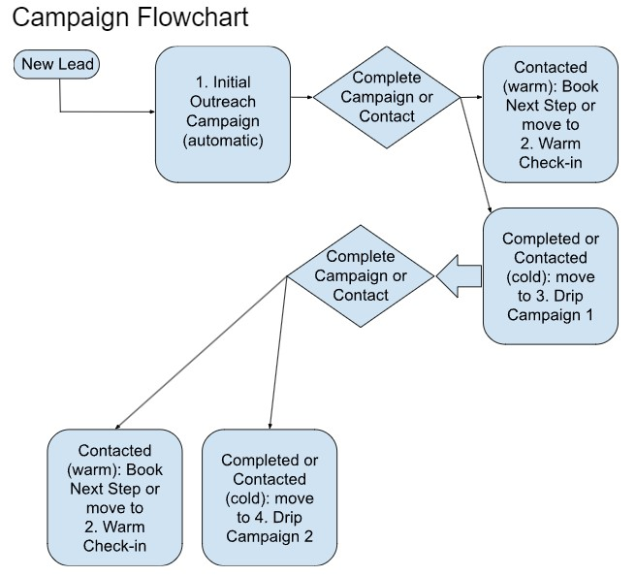
 | Initial Outreach |  | Warm Check-In |  | Drip Campaign |  | Initial Outreach
Touchpoint | Workdays | Task | Workdays | Task | Workdays | Task | Warm Check-In
1 | 0 | Call | 0 | Call | 0 | Email | Drip Campaign
2 | 0 | Email | 1 | Email | 5 | Text
3 | 1 | LinkedIn & Thank You | 2 | Text | 9 | Email
4 | 1 | Email | 4 | Call | 7 | Call
5 | 1 | Call in either AM/PM | 0 | Email | 9 | Email
6 | 1 | Facebook | 5 | Text | 12 | Text
7 | 1 | Call - AM | 7 | Call | 18 | Email
8 | 2 | Call - PM | 0 | Email | 15 | Text
9 | 1 | Email | 5 | Text | 15 | Call
10 | 1 | Call, Email | 7 | Email | 15 | Email
11 | 1 | Call | 7 | Text | 15 | Text
12 | 2 | Call | 5 | Email | 15 | Call
13 | 2 | Email | 7 | Call | 15 | Email
14 | 1 | Call | 7 | Email | 15 | Text
15 | 2 | Call | 5 | Text | 15 | Email
16 | 2 | Call/Email | 7 | Call | 15 | Call

Duration | 1 | Month | 4 | Months | 10 | Months

